Table Formatting
Selected Metals Data
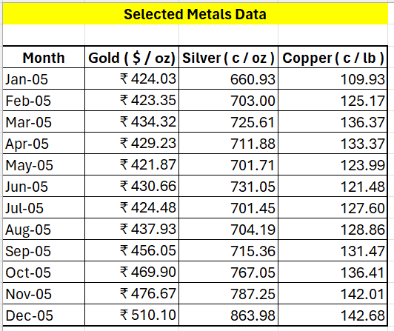
Month | Gold ( $ / oz) | Silver ( c / oz ) | Copper ( c / lb )
01.01.2005 | 424.0300 | 660.930 | 109.930
01.02.2005 | 423.3500 | 703.000 | 125.170
01.03.2005 | 434.3200 | 725.610 | 136.370
01.04.2005 | 429.2300 | 711.880 | 133.370
01.05.2005 | 421.8700 | 701.710 | 123.990
01.06.2005 | 430.6600 | 731.050 | 121.480
01.07.2005 | 424.4800 | 701.450 | 127.600
01.08.2005 | 437.9300 | 704.190 | 128.860
01.09.2005 | 456.0500 | 715.360 | 131.470
01.10.2005 | 469.9000 | 767.050 | 136.410
01.11.2005 | 476.6700 | 787.250 | 142.010
01.12.2005 | 510.1000 | 863.980 | 142.680

